APP Info
Date Created: | 2015-01-26
App Name: | LCD/PWM/External Interrupt Test
Micro: | PIC16F73
App Description: | The purpose of this application is to demonstrate the use of the LCD, PWM and external interrupt interaction to develop clean and reusable code for future applications.

Functional Spec: | General functional specifications

 | Start UP | Interrupt Routine
Clear LCD

Turn OFF LEDs
Blink BLUE LED 5 times
Turn OFF LEDs

Write
"LCD/PWM " "INT TST"
Write "Interrupt activated"
Write "Exit Int RTIN"

Clear LCD
Clear LCD
Clear LCD

Write an integer to LCD

Main Loop

Clear LCD then Write
"Loop 1 Finished"
Clear LCD then Write
"Loop 1 Started"

Loop 1
Clear LCD

Dim RED LED
UN_Dim BLUE LED

Write
"Loop 2 Started"

FIN
N
Loop 2

Y

UN_Dim RED LED
Dim BLUE LED

N
FIN

Y

Write
"Loop 2 Finished"

Micro-APP Pin out info
Micro |  |  |  |  |  |  |  |  |  |  |  |  |  | Application
I/O Used: | #REF! |  |  |  |  |  |  |  |  |  |  |  |  | S: Shmitt Trigger |  | P: PWM |  | D: Digital
 |  |  |  |  |  |  |  |  |  |  |  |  |  | T: TTL |  | A: Analog
PORT A |  |  |  | Pin # | Port | Analog I | Digital I/O | PWM O | Interrupt I | ST | TTL | SPI |  | Used | Device name | A/D/P | I/O | To Device | Var Name | S/T
 |  |  | 0 | 2 | RA0 | x | x |  |  |  | x
 |  |  | 0 | 3 | RA1 | x | x |  |  |  | x
 |  |  | 0 | 4 | RA2 | x | x |  |  |  | x
 |  |  | 0 | 5 | RA3 | x | x |  |  |  | x
 |  |  | 0 | 6 | RA4 |  | x |  |  | x
 |  |  | 0 | 7 | RA5 | x | x |  |  |  | x | x

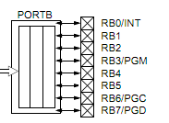
PORT B |  |  |  | Pin # | Port | Analog I | Digital I/O | PWM O | Interrupt I | ST | TTL | SPI |  | Used | Device name | A/D/P | I/O | To Device | Var Name | S/T
 |  |  | 0 | 21 | RB0 |  | x |  | x | x | x
 |  |  | 1 | 22 | RB1 |  | x |  |  |  | x |  |  | x | LCD | D | O | 11 | D4 | T
 |  |  | 1 | 23 | RB2 |  | x |  |  |  | x |  |  | x | LCD | D | O | 12 | D5 | T
 |  |  | 1 | 24 | RB3 |  | x |  |  |  | x |  |  | x | LCD | D | O | 13 | D6 | T
 |  |  | 1 | 25 | RB4 |  | x |  |  |  | x |  |  | x | LCD | D | O | 14 | D7 | T
 |  |  | 1 | 26 | RB5 |  | x |  |  |  | x |  |  | x | LCD | D | O | 4 | RS | T
 |  |  | 1 | 27 | RB6 |  | x |  |  | x | x |  |  |  |  |  |  |  |  |  | Note: RB6 and RB7 need to be isolated from application circuit with 10kOhm resistor
 |  |  | 0 | 28 | RB7 |  | x |  |  | x | x

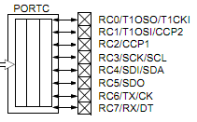
PORT C |  |  |  | Pin # | Port | Analog I | Digital I/O | PWM O | Interrupt I | ST | TTL | SPI |  | Used | Device name | A/D/P | I/O | To Device | Var Name | S/T
 |  |  | 0 | 11 | RC0 |  | x |  |  | x
 |  |  | 1 | 12 | RC1 |  | x | x |  | x |  |  |  | x | PWM | P | O | Red LED | Duty_Cycle_1 | T
 |  |  | 1 | 13 | RC2 |  | x | x |  | x |  |  |  | x | PWM | P | O | Red LED | Duty_Cycle_2 | T
 |  |  | 1 | 14 | RC3 |  | x |  |  | x |  | x |  | x | EEPROM | D | O | 6 | SCK | T
 |  |  | 1 | 15 | RC4 |  | x |  |  | x |  | x |  | x | EEPROM | D | O | 5 | SI | T
 |  |  | 1 | 16 | RC5 |  | x |  |  | x |  | x |  | x | EEPROM | D | O | 2 | SO | T
 |  |  | 1 | 17 | RC6 |  | x |  |  | x |  |  |  | x | EEPROM | D | O | 1 | CS | T
 |  |  | #REF! | 18 | RC7 |  | x |  |  | x |  |  |  | x | LCD | D | O | 6 | E | T
 |  |  | #REF!
Configs |  |  |  |  |  |  |  |  |  |  |  |  | Reference
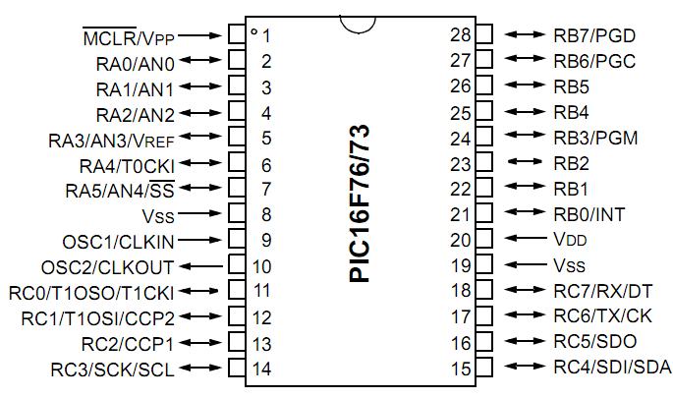
 | STATUS
 | 0 | 0 | 0 | 0 | 0 | 0 | 0 | 0 | 0 | 0
 | 7 | 6 | 5 | 4 | 3 | 2 | 1 | 0
 | OPTION_REG
 | 0 | 0 | 0 | 0 | 0 | 0 | 0 | 0 | 0 | 0
 | 7 | 6 | 5 | 4 | 3 | 2 | 1 | 0
 | INTCON
 | 0 | 0 | 0 | 0 | 0 | 0 | 0 | 0 | 0 | 0
 | 7 | 6 | 5 | 4 | 3 | 2 | 1 | 0
 | PIR1
 | 0 | 0 | 0 | 0 | 0 | 0 | 0 | 0 | 0 | 0
 | 7 | 6 | 5 | 4 | 3 | 2 | 1 | 0
 | PIE1
 | 0 | 0 | 0 | 0 | 0 | 0 | 0 | 0 | 0 | 0
 | 7 | 6 | 5 | 4 | 3 | 2 | 1 | 0
 | PIE2
 | 0 | 0 | 0 | 0 | 0 | 0 | 0 | 0 | 0 | 0
 | 7 | 6 | 5 | 4 | 3 | 2 | 1 | 0
 | PCON
 | 0 | 0 | 0 | 0 | 0 | 0 | 0 | 0 | 0 | 0
 | 7 | 6 | 5 | 4 | 3 | 2 | 1 | 0

Micro Description
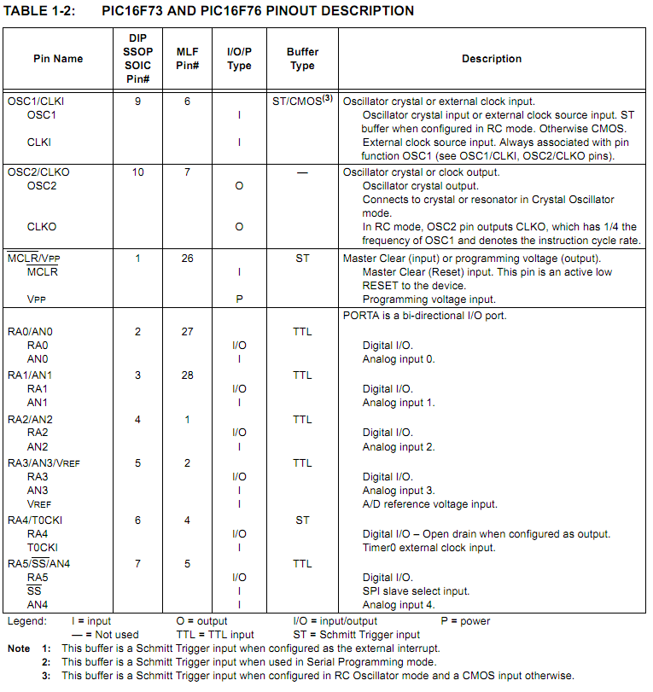
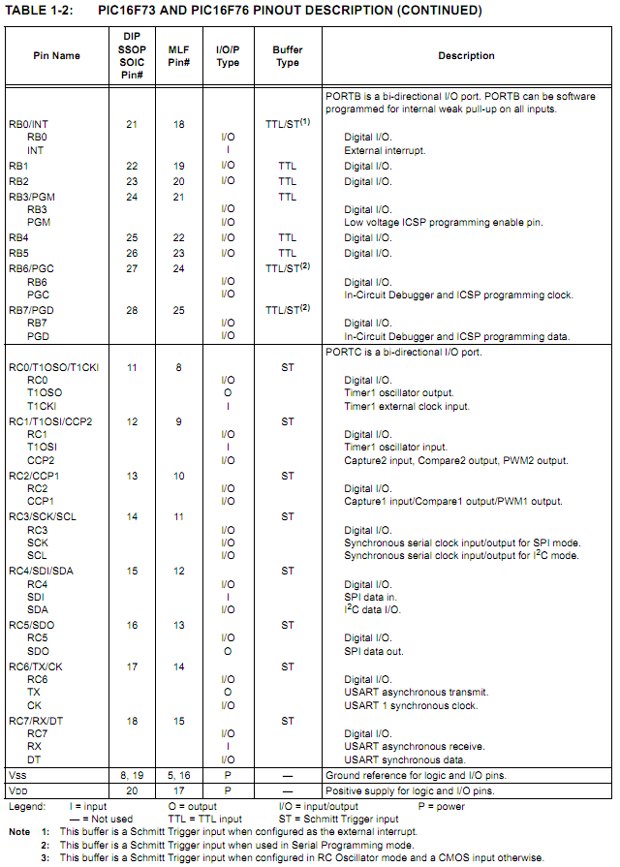

STATUS
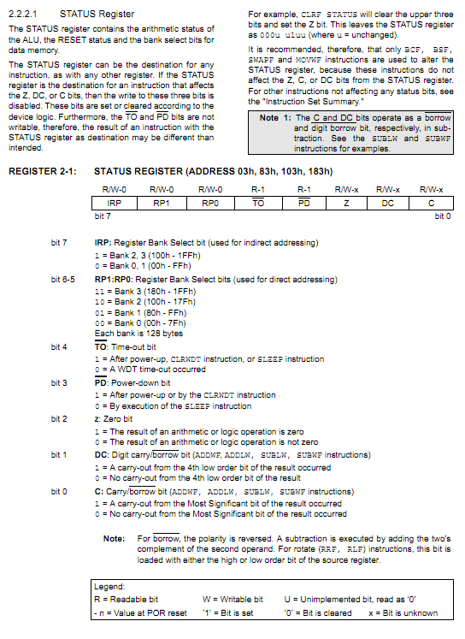
STATUS
1 | 0 | 0 | 0 | 1 | 1 | 0 | 1
7 | 6 | 5 | 4 | 3 | 2 | 1 | 0
Micro-APP Pin Out

OPTION_REG
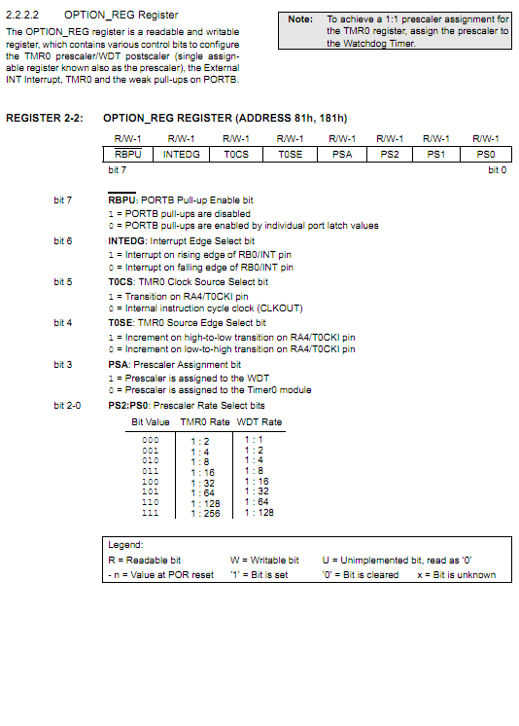
OPTION_REG
0 | 0 | 0 | 0 | 0 | 0 | 0 | 0
7 | 6 | 5 | 4 | 3 | 2 | 1 | 0
Micro-APP Pin Out

INTCON
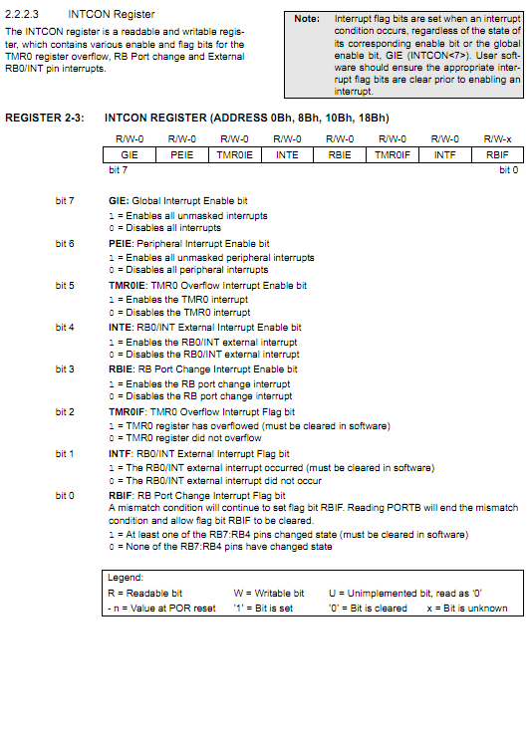
INTCON
0 | 0 | 0 | 0 | 0 | 0 | 0 | 0
7 | 6 | 5 | 4 | 3 | 2 | 1 | 0
Micro-APP Pin Out

PIR1
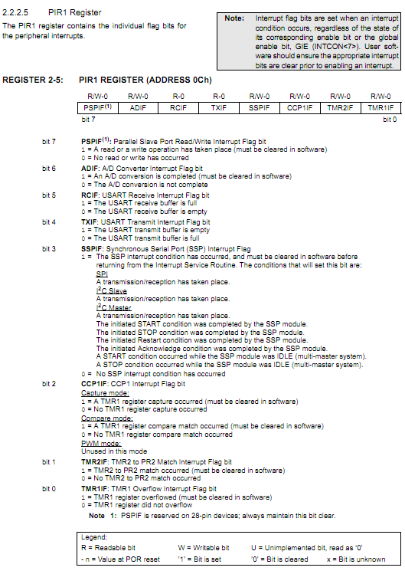
PIR1
0 | 0 | 0 | 0 | 0 | 0 | 0 | 0
7 | 6 | 5 | 4 | 3 | 2 | 1 | 0
Micro-APP Pin Out

PIE1
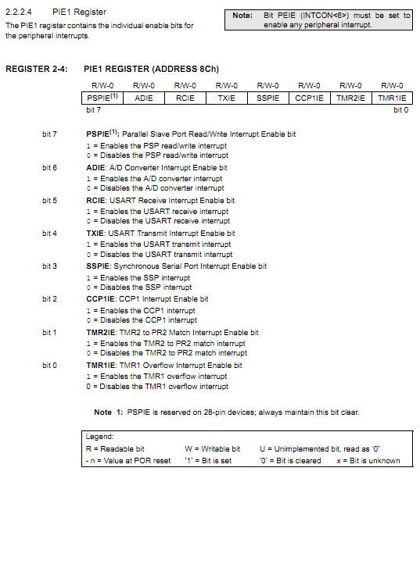
PIE1
0 | 0 | 0 | 0 | 0 | 0 | 0 | 0
7 | 6 | 5 | 4 | 3 | 2 | 1 | 0
Micro-APP Pin Out

PIE2
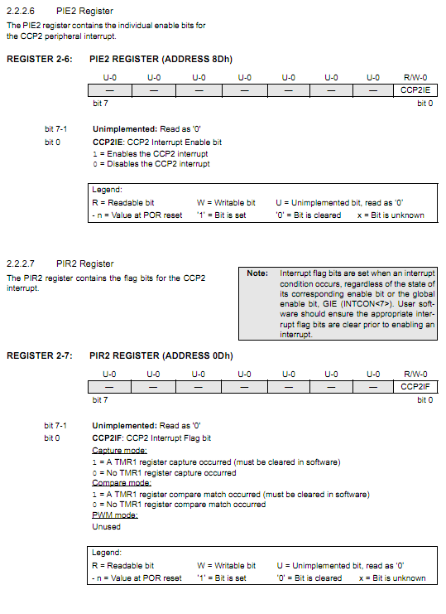
PIE2
0 | 0 | 0 | 0 | 0 | 0 | 0 | 0
7 | 6 | 5 | 4 | 3 | 2 | 1 | 0
Micro-APP Pin Out

PCON
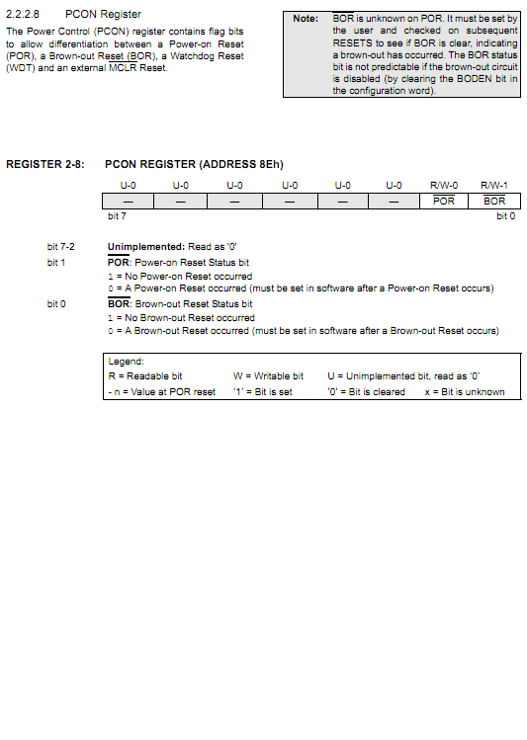
PCON
0 | 0 | 0 | 0 | 0 | 0 | 0 | 0
7 | 6 | 5 | 4 | 3 | 2 | 1 | 0
Micro-APP Pin Out

